Sheet1
 | MCX

PICK TICKET CHECK LIST |  |  |  | PO# 2970679, 2970680
 |  |  |  | PT# 1750518 - 1750524

TICKETING |  |  | PROVIDED BY: | PLEASE CREATE BARTENDER

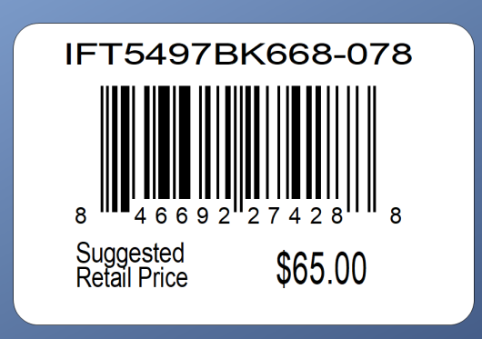

ROUTING

PACKING INSTRUCTIONS:
PACK ONE PIECE PPK BY STORE DISTRIBUTION

OUR STYLE# | QTY | CUSTOMER STYLE | UPC# | RETAIL PRICE
AXG0097U-42 | 12 | AXG0097U-42 | 196540690846 | $19.99
AXG0097U-42 | 18 | AXG0097U-42 | 196540690846 | $19.99
AXG0097U-42 | 12 | AXG0097U-42 | 196540690853 | $19.99
AXG0097U-42 | 18 | AXG0097U-42 | 196540690853 | $19.99

TOTAL | 60

